Problem Statment 1.
1. Which factors contribute to the highest sales in a particular region?

more sales of classic cars in USA is a great factor for highest revenue in this region ,
as we can see in chart as well as in table that classic cars are in most demanding product in USA

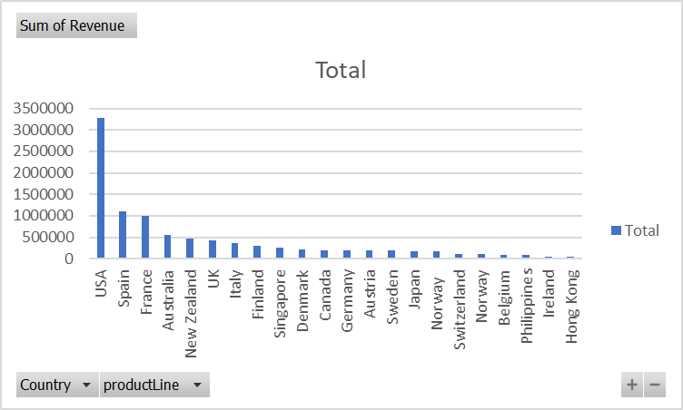
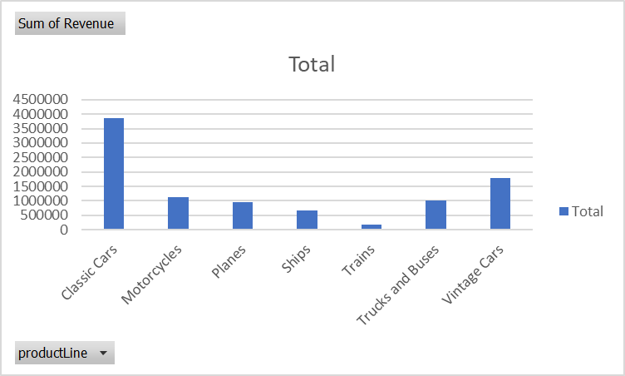
 |  | Values
Country | productLine | Sum of Revenue | Sum of Credit Limit | Count of quantityOrdered
USA | Classic Cars | 1262946.72 | 38310800 | 329
 | Motorcycles | 467090.73 | 14108300 | 149
 | Planes | 275545.11 | 7213000 | 95
 | Ships | 189664.32 | 6702100 | 70
 | Trains | 59593.83 | 3352500 | 25
 | Trucks and Buses | 365457.33 | 14975100 | 112
 | Vintage Cars | 652982.01 | 24209200 | 224
USA Total |  | 3273280.05 | 108871000 | 1004
Spain | Classic Cars | 450543.01 | 25261200 | 120
 | Motorcycles | 62165.96 | 3989800 | 19
 | Planes | 86487.07 | 5991500 | 30
 | Ships | 108080.24 | 6194700 | 39
 | Trains | 33568.82 | 2856500 | 14
 | Trucks and Buses | 156649.99 | 8106300 | 46
 | Vintage Cars | 201894 | 13042800 | 74
Spain Total |  | 1099389.09 | 65442800 | 342
France |  | 1007374.02 | 27611900 | 314
Australia |  | 562582.59 | 17863000 | 185
New Zealand |  | 476847.01 | 13865400 | 149
UK |  | 436947.44 | 14628100 | 144
Italy |  | 360616.81 | 13691800 | 121
Finland |  | 295149.35 | 8755000 | 92
Singapore |  | 263997.78 | 7987800 | 79
Denmark |  | 218994.92 | 6264000 | 63
Canada |  | 205911.86 | 5387600 | 70
Germany |  | 196470.99 | 5521800 | 62
Austria |  | 188540.06 | 3547500 | 55
Sweden |  | 187638.35 | 5432100 | 57
Japan |  | 167909.95 | 4644800 | 52
Norway |  | 166621.51 | 5089600 | 53
Switzerland |  | 108777.92 | 4380300 | 31
Norway |  | 104224.79 | 2614400 | 32
Belgium |  | 100068.76 | 2185500 | 33
Philippines |  | 87468.3 | 2119000 | 26
Ireland |  | 49898.27 | 1110400 | 16
Hong Kong |  | 45480.79 | 937600 | 16
Grand Total |  | 9604190.61 | 327951400 | 2996

Problem Statment 2.
 | 1. How can customer purchasing patterns be influenced to increase average order value?

 | In below chart we can see relation between MSPR and Number of QTY orders
 | we can clearly see they are related with each other , where customer get good MSRP
 | there they order more quantity , finally for customer its all about Profit because they must run their business for gaining Profit

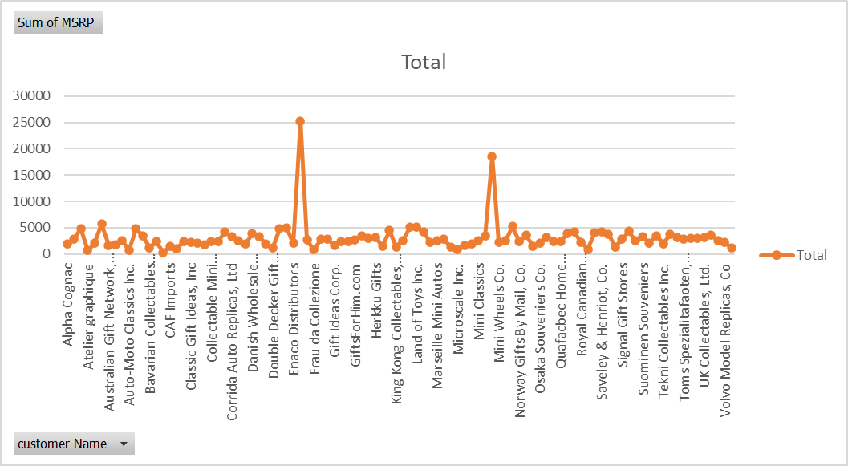
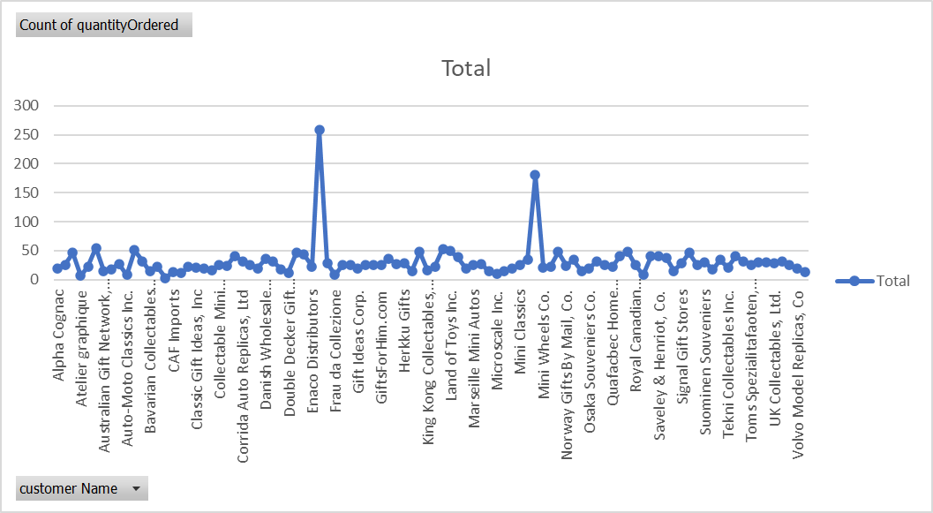
 | Values
customer Name | Sum of MSRP | Count of quantityOrdered
Alpha Cognac | 1951.97 | 20
Amica Models & Co. | 2811.38 | 26
Anna's Decorations, Ltd | 4839.33 | 46
Atelier graphique | 672.34 | 7
Australian Collectables, Ltd | 2038.19 | 23
Australian Collectors, Co. | 5723.82 | 55
Australian Gift Network, Co | 1680.87 | 15
Auto Associafacs & Cie. | 1816.02 | 18
Auto Canal+ Petit | 2574.52 | 27
Auto-Moto Classics Inc. | 702.42 | 8
AV Stores, Co. | 4757.83 | 51
Baane Mini Imports | 3452.65 | 32
Bavarian Collectables Imports, Co. | 1164.85 | 14
Blauer See Auto, Co. | 2337.74 | 22
Boards & Toys Co. | 278.23 | 3
CAF Imports | 1397.06 | 13
Cambridge Collectables Co. | 1077.16 | 11
Canadian Gift Exchange Network | 2351.16 | 22
Classic Gift Ideas, Inc | 2162.32 | 21
Classic Legends Inc. | 2143 | 20
Clover Collections, Co. | 1717.92 | 16
Collectable Mini Designs Co. | 2338.26 | 25
Collectables For Less Inc. | 2399.8 | 24
Corporate Gift Ideas Co. | 4206.58 | 41
Corrida Auto Replicas, Ltd | 3298.34 | 32
Cruz & Sons Co. | 2558.9 | 26
Daedalus Designs Imports | 1898.76 | 20
Danish Wholesale Imports | 3849.88 | 36
Diecast Classics Inc. | 3320.15 | 31
Diecast Collectables | 1875.37 | 18
Double Decker Gift Stores, Ltd | 1124.62 | 12
Down Under Souveniers, Inc | 4797.52 | 46
Dragon Souveniers, Ltd. | 4900.05 | 43
Enaco Distributors | 2014.95 | 23
Euro+ Shopping Channel | 25252.24 | 259
Extreme Desk Decorations, Ltd | 2649.32 | 29
Frau da Collezione | 845.75 | 8
FunGiftIdeas.com | 2820.87 | 26
Gift Depot Inc. | 2785.15 | 25
Gift Ideas Corp. | 1653.75 | 19
Gifts4AllAges.com | 2370.46 | 26
giftsbymail.co.uk | 2340.12 | 26
GiftsForHim.com | 2658.56 | 26
Handji Gifts& Co | 3515.24 | 36
Heintze Collectables | 3007.28 | 27
Herkku Gifts | 3198.43 | 29
Iberia Gift Imports, Corp. | 1404.18 | 15
Kelly's Gift Shop | 4503.48 | 48
King Kong Collectables, Co. | 1345.79 | 16
La Corne D'abondance, Co. | 2605.23 | 23
La Rochelle Gifts | 5123.53 | 53
Land of Toys Inc. | 5072.6 | 49
L'ordine Souveniers | 4220.86 | 39
Lyon Souveniers | 2222.16 | 20
Marseille Mini Autos | 2503.84 | 25
Marta's Replicas Co. | 2829.09 | 27
Men 'R' US Retailers, Ltd. | 1343.32 | 14
Microscale Inc. | 856.77 | 10
Mini Auto Werke | 1550.99 | 15
Mini Caravy | 1928.32 | 19
Mini Classics | 2477.73 | 26
Mini Creations Ltd. | 3448.42 | 35
Mini Gifts Distributors Ltd. | 18536.94 | 180
Mini Wheels Co. | 2209.29 | 21
Motor Mint Distributors Inc. | 2584.6 | 23
Muscle Machine Inc | 5222.4 | 48
Norway Gifts By Mail, Co. | 2343.98 | 24
Online Diecast Creations Co. | 3584.76 | 34
Online Mini Collectables | 1515.08 | 15
Osaka Souveniers Co. | 2042.75 | 20
Oulu Toy Supplies, Inc. | 3071.77 | 32
Petit Auto | 2427.78 | 25
Quafacbec Home Shopping Network | 2367.96 | 22
Reims Collectables | 3976.58 | 41
Rovelli Gifts | 4138.32 | 48
Royal Canadian Collectables, Ltd. | 2254.78 | 26
Royale Belge | 924.1 | 8
Salzburg Collectables | 4133.66 | 40
Saveley & Henriot, Co. | 4202.67 | 41
Scandinavian Gift Ideas | 3787.64 | 38
Signal Collectibles Ltd. | 1370.39 | 15
Signal Gift Stores | 2815.6 | 29
Souveniers And Things Co. | 4302.81 | 46
Stylish Desk Decors, Co. | 2509.87 | 26
Suominen Souveniers | 3302 | 30
Super Scale Inc. | 2107.01 | 17
Technics Stores Inc. | 3495.82 | 34
Tekni Collectables Inc. | 1970.3 | 21
The Sharp Gifts Warehouse | 3728.56 | 40
Tokyo Collectables, Ltd | 3193.57 | 32
Toms Spezialitafaoten, Ltd | 2808.21 | 26
Toys of Finland, Co. | 3028.35 | 30
Toys4GrownUps.com | 2931.76 | 30
UK Collectables, Ltd. | 3209.21 | 29
Vida Sport, Ltd | 3598.15 | 31
Vitachrome Inc. | 2564.15 | 25
Volvo Model Replicas, Co | 2215.63 | 19
West Coast Collectables Co. | 1218 | 13
Grand Total | 302461.89 | 2996

Problem Statment 3.
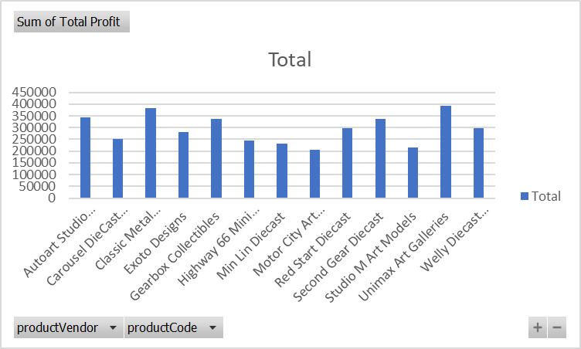
 | 3. What are the key drivers of sales growth, and how can they be leveraged for future success?
 | As we can see in Charts As well As in tables , key drivers for our sales growth as well as for our business are classic Cars
 | and 2nd one is Vintagr Car , we can see thers product profit in chart as well as there orders counts increases with there profit

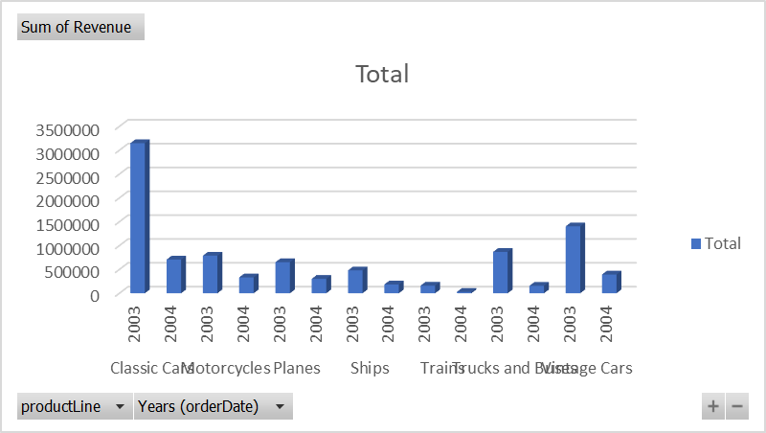
 |  | Values
productLine | productCode | Sum of Total Cost Price | Sum of Total Profit | Count of orderNumber
Classic Cars |  | 2327710.29 | 1526212.2 | 1010
Motorcycles |  | 652170.82 | 469255.3 | 359
Planes |  | 588676.83 | 365960.71 | 336
Ships |  | 402708.87 | 261289.47 | 245
Trains |  | 123191.9 | 65341.02 | 81
Trucks and Buses |  | 623560.35 | 400553.22 | 308
Vintage Cars |  | 1060291.3 | 737268.33 | 657

Problem Statment 4.
 | 4. Which product features or attributes are most appealing to customers?
 | After analysis Overall Data Iwe can see in Classic car "1992 Ferrari 360 Spider red" is the most appealing to customers follwed by" 1970 Dodge Coronet"
 | same in Vintage Car category" 1939 Chevrolet Deluxe Coupe" , these are Product are most appealing to Customers

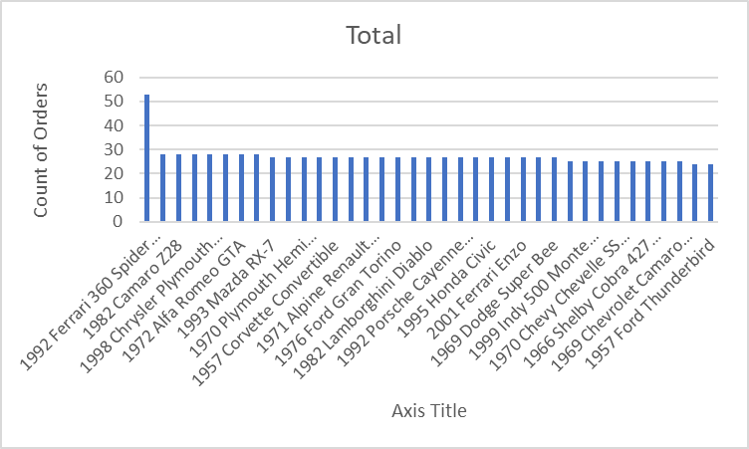
Count of quantityOrdered
productLine | productName | Total | productName | Total
Classic Cars | 1992 Ferrari 360 Spider red | 53 | 1992 Ferrari 360 Spider red | 53
 | 1970 Dodge Coronet | 28 | 1970 Dodge Coronet | 28
 | 1982 Camaro Z28 | 28 | 1982 Camaro Z28 | 28
 | 1952 Alpine Renault 1300 | 28 | 1952 Alpine Renault 1300 | 28
 | 1998 Chrysler Plymouth Prowler | 28 | 1998 Chrysler Plymouth Prowler | 28
 | 1958 Chevy Corvette Limited Edition | 28 | 1958 Chevy Corvette Limited Edition | 28
 | 1972 Alfa Romeo GTA | 28 | 1972 Alfa Romeo GTA | 28
 | 1962 LanciaA Delta 16V | 28 | 1962 LanciaA Delta 16V | 28
 | 1993 Mazda RX-7 | 27 | 1993 Mazda RX-7 | 27
 | 1970 Triumph Spitfire | 27 | 1970 Triumph Spitfire | 27
 | 1970 Plymouth Hemi Cuda | 27 | 1970 Plymouth Hemi Cuda | 27
 | 1956 Porsche 356A Coupe | 27 | 1956 Porsche 356A Coupe | 27
 | 1957 Corvette Convertible | 27 | 1957 Corvette Convertible | 27
 | 1961 Chevrolet Impala | 27 | 1961 Chevrolet Impala | 27
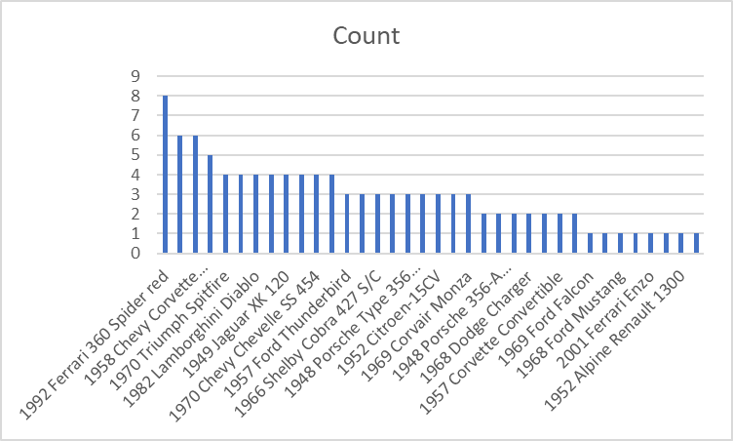
 | 1971 Alpine Renault 1600s | 27 | 1971 Alpine Renault 1600s | 27
 | 1968 Dodge Charger | 27 | 1968 Dodge Charger | 27
 | 1976 Ford Gran Torino | 27 | 1976 Ford Gran Torino | 27
 | 1968 Ford Mustang | 27 | 1968 Ford Mustang | 27
 | 1982 Lamborghini Diablo | 27 | 1982 Lamborghini Diablo | 27
 | 1969 Corvair Monza | 27 | 1969 Corvair Monza | 27
 | 1992 Porsche Cayenne Turbo Silver | 27 | 1992 Porsche Cayenne Turbo Silver | 27
 | 1969 Dodge Charger | 27 | 1969 Dodge Charger | 27
 | 1995 Honda Civic | 27 | 1995 Honda Civic | 27
 | 1948 Porsche 356-A Roadster | 27 | 1948 Porsche 356-A Roadster | 27
 | 2001 Ferrari Enzo | 27 | 2001 Ferrari Enzo | 27
 | 1969 Ford Falcon | 27 | 1969 Ford Falcon | 27
 | 1969 Dodge Super Bee | 27 | 1969 Dodge Super Bee | 27
 | 2002 Chevy Corvette | 25 | 2002 Chevy Corvette | 25
 | 1999 Indy 500 Monte Carlo SS | 25 | 1999 Indy 500 Monte Carlo SS | 25
 | 1948 Porsche Type 356 Roadster | 25 | 1948 Porsche Type 356 Roadster | 25
 | 1970 Chevy Chevelle SS 454 | 25 | 1970 Chevy Chevelle SS 454 | 25
 | 1965 Aston Martin DB5 | 25 | 1965 Aston Martin DB5 | 25
 | 1966 Shelby Cobra 427 S/C | 25 | 1966 Shelby Cobra 427 S/C | 25
 | 1949 Jaguar XK 120 | 25 | 1949 Jaguar XK 120 | 25
 | 1969 Chevrolet Camaro Z28 | 25 | 1969 Chevrolet Camaro Z28 | 25
 | 1952 Citroen-15CV | 24 | 1952 Citroen-15CV | 24
 | 1957 Ford Thunderbird | 24 | 1957 Ford Thunderbird | 24
Classic Cars Total |  | 1010
Motorcycles | 2002 Suzuki XREO | 28 | Column1 | Column2
 | 1997 BMW F650 ST | 28 | 2002 Suzuki XREO | 28
 | 1996 Moto Guzzi 1100i | 28 | 1997 BMW F650 ST | 28
 | 1960 BSA Gold Star DBD34 | 28 | 1996 Moto Guzzi 1100i | 28
 | 1997 BMW R 1100 S | 28 | 1960 BSA Gold Star DBD34 | 28
 | 1969 Harley Davidson Ultimate Chopper | 28 | 1997 BMW R 1100 S | 28
 | 1936 Harley Davidson El Knucklehead | 28 | 1969 Harley Davidson Ultimate Chopper | 28
 | 2003 Harley-Davidson Eagle Drag Bike | 28 | 1936 Harley Davidson El Knucklehead | 28
 | 2002 Yamaha YZR M1 | 27 | 2003 Harley-Davidson Eagle Drag Bike | 28
 | 1974 Ducati 350 Mk3 Desmo | 27 | 2002 Yamaha YZR M1 | 27
 | 1957 Vespa GS150 | 27 | 1974 Ducati 350 Mk3 Desmo | 27
 | 1982 Ducati 900 Monster | 27 | 1957 Vespa GS150 | 27
 | 1982 Ducati 996 R | 27 | 1982 Ducati 900 Monster | 27
Motorcycles Total |  | 359 | 1982 Ducati 996 R | 27
Planes | ATA: B757-300 | 28 |  | 359
 | P-51-D Mustang | 28 | ATA: B757-300 | 28
 | Corsair F4U ( Bird Cage) | 28 | P-51-D Mustang | 28
 | 1900s Vintage Tri-Plane | 28 | Corsair F4U ( Bird Cage) | 28
 | American Airlines: MD-11S | 28 | 1900s Vintage Tri-Plane | 28
 | 1928 British Royal Navy Airplane | 28 | American Airlines: MD-11S | 28
 | Boeing X-32A JSF | 28 | 1928 British Royal Navy Airplane | 28
 | 1980s Black Hawk Helicopter | 28 | Boeing X-32A JSF | 28
 | F/A 18 Hornet 1/72 | 28 | 1980s Black Hawk Helicopter | 28
 | America West Airlines B757-200 | 28 | F/A 18 Hornet 1/72 | 28
 | 1900s Vintage Bi-Plane | 28 | America West Airlines B757-200 | 28
 | American Airlines: B767-300 | 28 | 1900s Vintage Bi-Plane | 28
Planes Total |  | 336 | American Airlines: B767-300 | 28
Ships | 1999 Yamaha Speed Boat | 28 |  | 336
 | HMS Bounty | 28 | 1999 Yamaha Speed Boat | 28
 | The Queen Mary | 27 | HMS Bounty | 28
 | 18th century schooner | 27 | The Queen Mary | 27
 | The Schooner Bluenose | 27 | 18th century schooner | 27
 | The Titanic | 27 | The Schooner Bluenose | 27
 | The USS Constitution Ship | 27 | The Titanic | 27
 | Pont Yacht | 27 | The USS Constitution Ship | 27
 | The Mayflower | 27 | Pont Yacht | 27
Ships Total |  | 245 | The Mayflower | 27
Trains | 1950's Chicago Surface Lines Streetcar | 27 |  | 245
 | Collectable Wooden Train | 27 | 1950's Chicago Surface Lines Streetcar | 27
 | 1962 City of Detroit Streetcar | 27 | Collectable Wooden Train | 27
Trains Total |  | 81 | 1962 City of Detroit Streetcar | 27
Trucks and Buses | 1964 Mercedes Tour Bus | 28 |  | 81
 | 1926 Ford Fire Engine | 28 | 1964 Mercedes Tour Bus | 28
 | 1996 Peterbilt 379 Stake Bed with Outrigger | 28 | 1926 Ford Fire Engine | 28
 | 1940 Ford Pickup Truck | 28 | 1996 Peterbilt 379 Stake Bed with Outrigger | 28
 | 1962 Volkswagen Microbus | 28 | 1940 Ford Pickup Truck | 28
 | 1940s Ford truck | 28 | 1962 Volkswagen Microbus | 28
 | 1980Ã¢â‚¬â„¢s GM Manhattan Express | 28 | 1940s Ford truck | 28
 | 1954 Greyhound Scenicruiser | 28 | 1980Ã¢â‚¬â„¢s GM Manhattan Express | 28
 | Diamond T620 Semi-Skirted Tanker | 28 | 1954 Greyhound Scenicruiser | 28
 | 1957 Chevy Pickup | 28 | Diamond T620 Semi-Skirted Tanker | 28
 | 1958 Setra Bus | 28 | 1957 Chevy Pickup | 28
Trucks and Buses Total |  | 308 | 1958 Setra Bus | 28
Vintage Cars | 1939 Chevrolet Deluxe Coupe | 28 |  | 308
 | 1937 Horch 930V Limousine | 28 | 1939 Chevrolet Deluxe Coupe | 28
 | 1936 Chrysler Airflow | 28 | 1937 Horch 930V Limousine | 28
 | 1913 Ford Model T Speedster | 28 | 1936 Chrysler Airflow | 28
 | 1938 Cadillac V-16 Presidential Limousine | 28 | 1913 Ford Model T Speedster | 28
 | 1917 Maxwell Touring Car | 28 | 1938 Cadillac V-16 Presidential Limousine | 28
 | 1934 Ford V8 Coupe | 28 | 1917 Maxwell Touring Car | 28
 | 1928 Ford Phaeton Deluxe | 28 | 1934 Ford V8 Coupe | 28
 | 1936 Mercedes-Benz 500K Special Roadster | 28 | 1928 Ford Phaeton Deluxe | 28
 | 1928 Mercedes-Benz SSK | 28 | 1936 Mercedes-Benz 500K Special Roadster | 28
 | 1937 Lincoln Berline | 28 | 1928 Mercedes-Benz SSK | 28
 | 1930 Buick Marquette Phaeton | 28 | 1937 Lincoln Berline | 28
 | 1939 Cadillac Limousine | 28 | 1930 Buick Marquette Phaeton | 28
 | 1941 Chevrolet Special Deluxe Cabriolet | 28 | 1939 Cadillac Limousine | 28
 | 1940 Ford Delivery Sedan | 28 | 1941 Chevrolet Special Deluxe Cabriolet | 28
 | 1932 Model A Ford J-Coupe | 28 | 1940 Ford Delivery Sedan | 28
 | 18th Century Vintage Horse Carriage | 28 | 1932 Model A Ford J-Coupe | 28
 | 1903 Ford Model A | 27 | 18th Century Vintage Horse Carriage | 28
 | 1912 Ford Model T Delivery Wagon | 27 | 1903 Ford Model A | 27
 | 1904 Buick Runabout | 27 | 1912 Ford Model T Delivery Wagon | 27
 | 1936 Mercedes Benz 500k Roadster | 25 | 1904 Buick Runabout | 27
 | 1917 Grand Touring Sedan | 25 | 1936 Mercedes Benz 500k Roadster | 25
 | 1911 Ford Town Car | 25 | 1917 Grand Touring Sedan | 25
 | 1932 Alfa Romeo 8C2300 Spider Sport | 25 | 1911 Ford Town Car | 25
Vintage Cars Total |  | 657 | 1932 Alfa Romeo 8C2300 Spider Sport | 25
Grand Total |  | 2996

Problem Statment 5.
 | 5. How can the product mix be optimized to cater to changing market demands?

 | 1.The revenue and profit have experienced significant decreases across the board.
 | Negative growth rates of this magnitude indicate a substantial decline in both revenue and profit in the present year compared to the previous year.
 | 2.Given the severity of the declines, there is an urgent need for a thorough analysis of
 | the business's operations, financials, and market dynamics to identify the root causes and develop strategies for improvement.
 | 3.significant decreases in revenue and profit growth rates, we need to draw insights from the data and propose strategies for optimizing the product mix
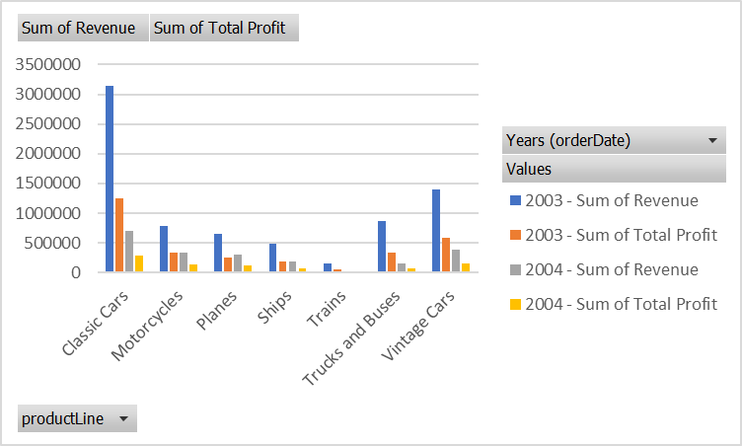

 | Years (orderDate) | Values
 | 2003 |  | 2004 |  | Total Sum of Revenue | Total Sum of Total Profit
productLine | Sum of Revenue | Sum of Total Profit | Sum of Revenue | Sum of Total Profit
Classic Cars | 3147265.02 | 1244330.05 | 706657.47 | 281882.15 | 3853922.49 | 1526212.2
Motorcycles | 788412.5 | 329566.08 | 333013.62 | 139689.22 | 1121426.12 | 469255.3
Planes | 651761.85 | 249649.6 | 302875.69 | 116311.11 | 954637.54 | 365960.71
Ships | 479519.2 | 188379.4 | 184479.14 | 72910.07 | 663998.34 | 261289.47
Trains | 160299.18 | 56870.89 | 28233.74 | 8470.13 | 188532.92 | 65341.02
Trucks and Buses | 867662.44 | 337822.91 | 156451.13 | 62730.31 | 1024113.57 | 400553.22
Vintage Cars | 1404240.1 | 579664.58 | 393319.53 | 157603.75 | 1797559.63 | 737268.33
Grand Total | 7499160.29 | 2986283.51 | 2105030.32 | 839596.74 | 9604190.61 | 3825880.25

Column1 | Sum of Revenue | Sum of Total Profit | Sum of Revenue2 | Sum of Total Profit2 | Total Sum of Revenue | Total Sum of Total Profit | Revenue Growth Rate | Profit Growth Rate
Years (orderDate) | 2003 | 2003 | 2004 | 2004
productLine
Classic Cars | 3147265.02 | 1244330.05 | 706657.47 | 281882.15 | 3853922.49 | 1526212.2 | -78% | -77%
Motorcycles | 788412.5 | 329566.08 | 333013.62 | 139689.22 | 1121426.12 | 469255.3 | -58% | -58%
Planes | 651761.85 | 249649.6 | 302875.69 | 116311.11 | 954637.54 | 365960.71 | -54% | -53%
Ships | 479519.2 | 188379.4 | 184479.14 | 72910.07 | 663998.34 | 261289.47 | -62% | -61%
Trains | 160299.18 | 56870.89 | 28233.74 | 8470.13 | 188532.92 | 65341.02 | -82% | -85%
Trucks and Buses | 867662.44 | 337822.91 | 156451.13 | 62730.31 | 1024113.57 | 400553.22 | -82% | -81%
Vintage Cars | 1404240.1 | 579664.58 | 393319.53 | 157603.75 | 1797559.63 | 737268.33 | -72% | -73%
Grand Total | 7499160.29 | 2986283.51 | 2105030.32 | 839596.74 | 9604190.61 | 3825880.25 | -72% | -72%

Problem Statment 6.
 | 6. Are there any specific market segments where a particular product is underperforming, and how can it be improved?

 | The Train Product line is our Under performing Category among the all product line
 | as we can see in table as well as in chart there less number of sale representive deployed on train category, that’s why we are not getting more number of orders
 | less profit margine as campare to others, if we go deeper we can see train product line or category is not yet introduced in all over the other countries
 | we need to introduced this product category to our all business country ,

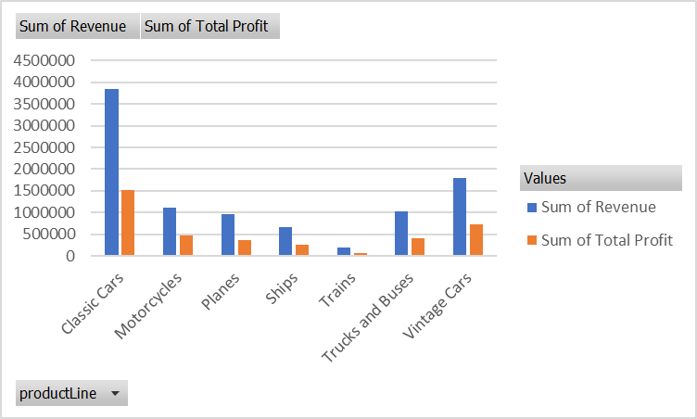
 | Values
productLine | Sum of Revenue | Sum of Total Profit
Classic Cars | 3853922.49 | 1526212.2
Motorcycles | 1121426.12 | 469255.3
Planes | 954637.54 | 365960.71
Ships | 663998.34 | 261289.47
Trains | 188532.92 | 65341.02
Trucks and Buses | 1024113.57 | 400553.22
Vintage Cars | 1797559.63 | 737268.33
Grand Total | 9604190.61 | 3825880.25

Country | (All)
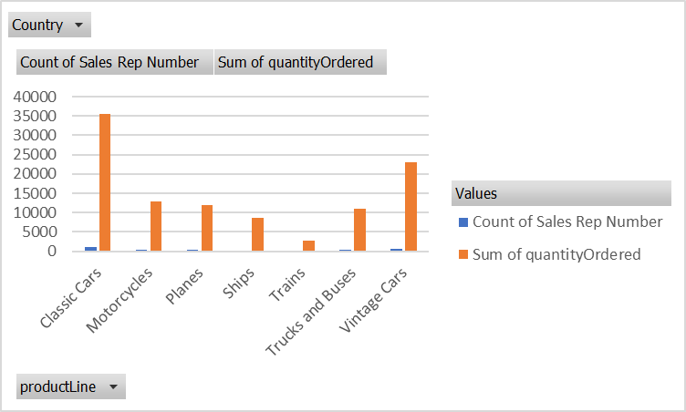
 | Values
productLine | Count of Sales Rep Number | Sum of quantityOrdered
Classic Cars | 1010 | 35582
Motorcycles | 359 | 12778
Planes | 336 | 11872
Ships | 245 | 8532
Trains | 81 | 2818
Trucks and Buses | 308 | 11001
Vintage Cars | 657 | 22933
Grand Total | 2996 | 105516

Problem Statment 7
 | 7. What are the main factors that influence customer loyalty and repeat purchases?

 | as we can see in chart as well as in table our actual delivery days always below the required
 | delivey days , so this is the main factor that we succesfully gain the Customer Trust
 | we always deliver our product as early as possible , So Customer show us there loyalty and they are more than happy to make repeat purchase from us

 | Values
customer Name | Sum of Required Days For Delivery | Sum of Actual Delivery Days
Alpha Cognac | 140 | 20
Amica Models & Co. | 234 | 78
Anna's Decorations, Ltd | 322 | 138
Atelier graphique | 56 | 21
Australian Collectables, Ltd | 138 | 115
Australian Collectors, Co. | 440 | 165
Australian Gift Network, Co | 105 | 75
Auto Associafacs & Cie. | 126 | 54
Auto Canal+ Petit | 189 | 54
Auto-Moto Classics Inc. | 56 | 40
AV Stores, Co. | 255 | 153
Baane Mini Imports | 256 | 96
Bavarian Collectables Imports, Co. | 84 | 28
Blauer See Auto, Co. | 154 | 44
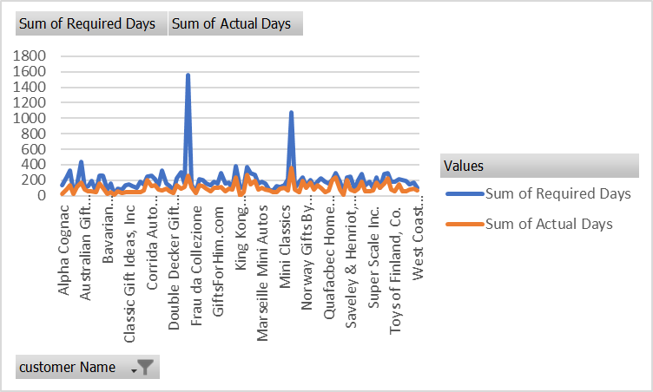
Boards & Toys Co. | 21 | 15
CAF Imports | 91 | 52
Cambridge Collectables Co. | 77 | 33
Canadian Gift Exchange Network | 132 | 44
Classic Gift Ideas, Inc | 147 | 42
Classic Legends Inc. | 120 | 40
Clover Collections, Co. | 96 | 48
Collectable Mini Designs Co. | 175 | 50
Collectables For Less Inc. | 144 | 72
Corporate Gift Ideas Co. | 246 | 205
Corrida Auto Replicas, Ltd | 256 | 128
Cruz & Sons Co. | 208 | 130
Daedalus Designs Imports | 140 | 80
Danish Wholesale Imports | 324 | 72
Diecast Classics Inc. | 155 | 93
Diecast Collectables | 126 | 54
Double Decker Gift Stores, Ltd | 60 | 36
Down Under Souveniers, Inc | 230 | 138
Dragon Souveniers, Ltd. | 301 | 86
Enaco Distributors | 161 | 115
Euro+ Shopping Channel | 1554 | 259
Extreme Desk Decorations, Ltd | 145 | 116
Frau da Collezione | 40 | 32
FunGiftIdeas.com | 208 | 130
Gift Depot Inc. | 200 | 125
Gift Ideas Corp. | 152 | 95
Gifts4AllAges.com | 130 | 52
giftsbymail.co.uk | 182 | 104
GiftsForHim.com | 156 | 104
Handji Gifts& Co | 288 | 108
Heintze Collectables | 162 | 54
Herkku Gifts | 174 | 87
Iberia Gift Imports, Corp. | 90 | 75
Kelly's Gift Shop | 384 | 240
King Kong Collectables, Co. | 96 | 0
La Corne D'abondance, Co. | 115 | 46
La Rochelle Gifts | 371 | 265
Land of Toys Inc. | 294 | 147
L'ordine Souveniers | 273 | 195
Lyon Souveniers | 160 | 80
Marseille Mini Autos | 175 | 100
Marta's Replicas Co. | 162 | 81
Men 'R' US Retailers, Ltd. | 70 | 70
Microscale Inc. | 70 | 40
Mini Auto Werke | 120 | 45
Mini Caravy | 114 | 95
Mini Classics | 130 | 104
Mini Creations Ltd. | 210 | 70
Mini Gifts Distributors Ltd. | 1080 | 360
Mini Wheels Co. | 105 | 84
Motor Mint Distributors Inc. | 184 | 46
Muscle Machine Inc | 240 | 192
Norway Gifts By Mail, Co. | 120 | 96
Online Diecast Creations Co. | 204 | 170
Online Mini Collectables | 120 | 75
Osaka Souveniers Co. | 180 | 140
Oulu Toy Supplies, Inc. | 224 | 96
Petit Auto | 175 | 50
Quafacbec Home Shopping Network | 154 | 66
Reims Collectables | 205 | 205
Rovelli Gifts | 288 | 240
Royal Canadian Collectables, Ltd. | 182 | 78
Royale Belge | 48 | 8
Salzburg Collectables | 240 | 200
Saveley & Henriot, Co. | 246 | 82
Signal Collectibles Ltd. | 75 | 60
Signal Gift Stores | 203 | 87
Souveniers And Things Co. | 276 | 184
Stylish Desk Decors, Co. | 130 | 52
Suominen Souveniers | 180 | 60
Super Scale Inc. | 102 | 68
Technics Stores Inc. | 238 | 170
Tekni Collectables Inc. | 105 | 105
The Sharp Gifts Warehouse | 280 | 160
Tokyo Collectables, Ltd | 288 | 224
Toms Spezialitafaoten, Ltd | 182 | 78
Toys of Finland, Co. | 180 | 60
Toys4GrownUps.com | 210 | 150
UK Collectables, Ltd. | 203 | 58
Vida Sport, Ltd | 186 | 62
Vitachrome Inc. | 150 | 75
Volvo Model Replicas, Co | 171 | 95
West Coast Collectables Co. | 104 | 65
Grand Total | 19248 | 9534

Problem Statment 8.
 |  | 8.. How do customer preferences differ based on geographic location, and how can marketing campaigns be customized accordingly?
 |  | as we can see in chart as well as in tables we can see that USA, SPAIN , FRANCE are the out top driver for our company
 |  | so we need to run same campaign that we are currently running in these top countries to others countrie as well
 |  | one more this this top country are mostly identify as tourist country | 1. How do customer preferences differ based on geographic location, and how can marketing campaigns be customized accordingly?

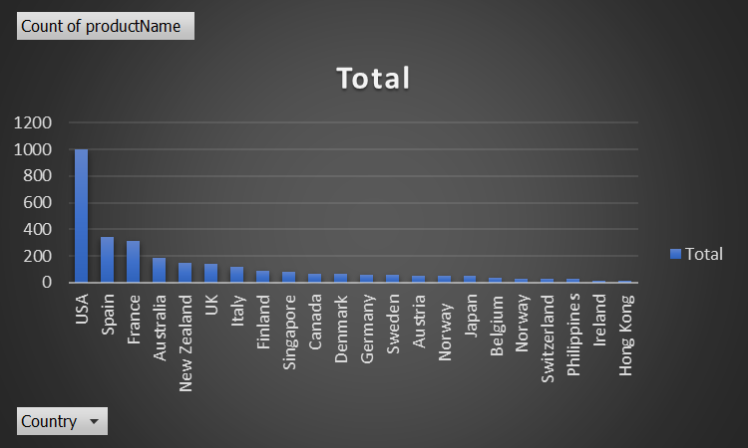
Sum of quantityOrdered
Country | Total
USA | 35844
Spain | 12429
France | 11090
Australia | 6246
New Zealand | 5396
UK | 5013
Italy | 4045
Finland | 3192
Singapore | 2760
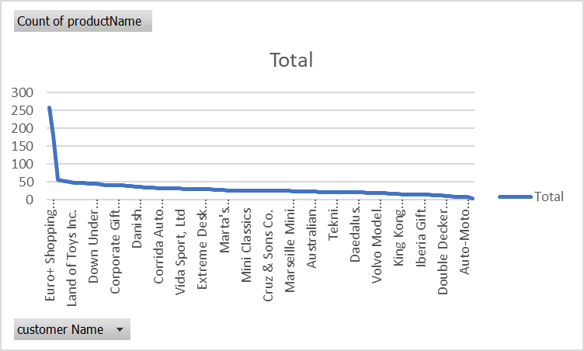
Canada | 2293
Denmark | 2197
Germany | 2148
Sweden | 2006
Austria | 1974
Japan | 1842
Norway | 1760
Norway | 1082
Switzerland | 1078
Belgium | 1074
Philippines | 961
Hong Kong | 596
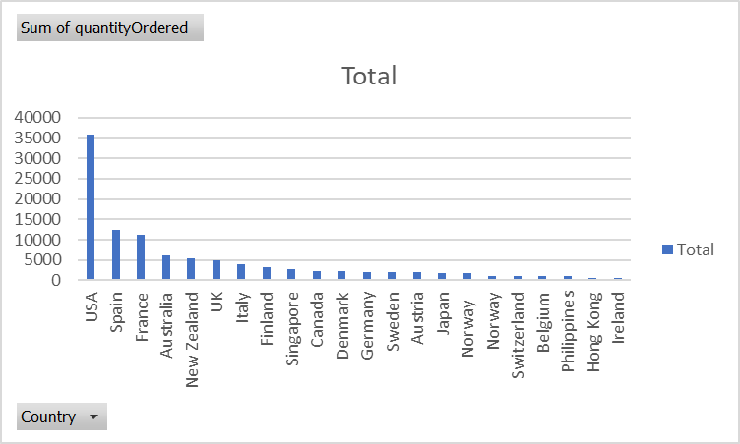
Ireland | 490
Grand Total | 105516

Count of productName
Country | Total
Australia | 185
Austria | 55
Belgium | 33
Canada | 70
Denmark | 63
Finland | 92
France | 314
Germany | 62
Hong Kong | 16
Ireland | 16
Italy | 121
Japan | 52
New Zealand | 149
Norway | 32
Norway | 53
Philippines | 26
Singapore | 79
Spain | 342
Sweden | 57
Switzerland | 31
UK | 144
USA | 1004
Grand Total | 2996

Count of productName
customer Name | Total
Euro+ Shopping Channel | 259
Mini Gifts Distributors Ltd. | 180
Australian Collectors, Co. | 55
La Rochelle Gifts | 53
AV Stores, Co. | 51
Land of Toys Inc. | 49
Muscle Machine Inc | 48
Rovelli Gifts | 48
Kelly's Gift Shop | 48
Souveniers And Things Co. | 46
Down Under Souveniers, Inc | 46
Anna's Decorations, Ltd | 46
Dragon Souveniers, Ltd. | 43
Saveley & Henriot, Co. | 41
Reims Collectables | 41
Corporate Gift Ideas Co. | 41
Salzburg Collectables | 40
The Sharp Gifts Warehouse | 40
L'ordine Souveniers | 39
Scandinavian Gift Ideas | 38
Danish Wholesale Imports | 36
Handji Gifts& Co | 36
Mini Creations Ltd. | 35
Technics Stores Inc. | 34
Online Diecast Creations Co. | 34
Corrida Auto Replicas, Ltd | 32
Oulu Toy Supplies, Inc. | 32
Baane Mini Imports | 32
Tokyo Collectables, Ltd | 32
Diecast Classics Inc. | 31
Vida Sport, Ltd | 31
Suominen Souveniers | 30
Toys of Finland, Co. | 30
Toys4GrownUps.com | 30
UK Collectables, Ltd. | 29
Extreme Desk Decorations, Ltd | 29
Signal Gift Stores | 29
Herkku Gifts | 29
Heintze Collectables | 27
Auto Canal+ Petit | 27
Marta's Replicas Co. | 27
Gifts4AllAges.com | 26
FunGiftIdeas.com | 26
giftsbymail.co.uk | 26
Royal Canadian Collectables, Ltd. | 26
Mini Classics | 26
Amica Models & Co. | 26
Toms Spezialitafaoten, Ltd | 26
GiftsForHim.com | 26
Stylish Desk Decors, Co. | 26
Cruz & Sons Co. | 26
Petit Auto | 25
Vitachrome Inc. | 25
Gift Depot Inc. | 25
Collectable Mini Designs Co. | 25
Marseille Mini Autos | 25
Norway Gifts By Mail, Co. | 24
Collectables For Less Inc. | 24
Enaco Distributors | 23
Motor Mint Distributors Inc. | 23
Australian Collectables, Ltd | 23
La Corne D'abondance, Co. | 23
Quafacbec Home Shopping Network | 22
Canadian Gift Exchange Network | 22
Blauer See Auto, Co. | 22
Tekni Collectables Inc. | 21
Classic Gift Ideas, Inc | 21
Mini Wheels Co. | 21
Classic Legends Inc. | 20
Osaka Souveniers Co. | 20
Daedalus Designs Imports | 20
Lyon Souveniers | 20
Alpha Cognac | 20
Gift Ideas Corp. | 19
Mini Caravy | 19
Volvo Model Replicas, Co | 19
Diecast Collectables | 18
Auto Associafacs & Cie. | 18
Super Scale Inc. | 17
Clover Collections, Co. | 16
King Kong Collectables, Co. | 16
Australian Gift Network, Co | 15
Mini Auto Werke | 15
Signal Collectibles Ltd. | 15
Online Mini Collectables | 15
Iberia Gift Imports, Corp. | 15
Men 'R' US Retailers, Ltd. | 14
Bavarian Collectables Imports, Co. | 14
West Coast Collectables Co. | 13
CAF Imports | 13
Double Decker Gift Stores, Ltd | 12
Cambridge Collectables Co. | 11
Microscale Inc. | 10
Frau da Collezione | 8
Royale Belge | 8
Auto-Moto Classics Inc. | 8
Atelier graphique | 7
Boards & Toys Co. | 3
Grand Total | 2996

Problem Statment 9.
 |  | 9. What are the characteristics of high-value customers, and how can similar customers be targeted for acquisition?
 | characteristics | High-value customers tend to make frequent and substantial purchases. They contribute significantly to your revenue.
 |  | High-value customers often have higher average order values compared to the rest of your customer base.
 |  | as we can see in our table these are our top 5 High Value Customers


 | Values
customer Name | Sum of quantityOrdered | Count of orderNumber
Euro+ Shopping Channel | 9327 | 259
Mini Gifts Distributors Ltd. | 6366 | 180
Australian Collectors, Co. | 1926 | 55
La Rochelle Gifts | 1832 | 53
AV Stores, Co. | 1778 | 51
Muscle Machine Inc | 1775 | 48
Down Under Souveniers, Inc | 1691 | 46
The Sharp Gifts Warehouse | 1656 | 40
Rovelli Gifts | 1650 | 48
Kelly's Gift Shop | 1647 | 48
Land of Toys Inc. | 1631 | 49
Souveniers And Things Co. | 1601 | 46
Dragon Souveniers, Ltd. | 1524 | 43
Anna's Decorations, Ltd | 1469 | 46
Corporate Gift Ideas Co. | 1447 | 41
Salzburg Collectables | 1442 | 40
Reims Collectables | 1433 | 41
Saveley & Henriot, Co. | 1428 | 41
Scandinavian Gift Ideas | 1359 | 38
Danish Wholesale Imports | 1315 | 36
L'ordine Souveniers | 1280 | 39
Online Diecast Creations Co. | 1248 | 34

Handji Gifts& Co | 1236 | 36
Technics Stores Inc. | 1179 | 34
Corrida Auto Replicas, Ltd | 1163 | 32
Tokyo Collectables, Ltd | 1150 | 32
Mini Creations Ltd. | 1140 | 35
Diecast Classics Inc. | 1111 | 31
Oulu Toy Supplies, Inc. | 1110 | 32
Baane Mini Imports | 1082 | 32
Vida Sport, Ltd | 1078 | 31
Toys4GrownUps.com | 1060 | 30
Extreme Desk Decorations, Ltd | 1055 | 29
Toys of Finland, Co. | 1051 | 30
UK Collectables, Ltd. | 1046 | 29
Gifts4AllAges.com | 1036 | 26
Suominen Souveniers | 1031 | 30
GiftsForHim.com | 1003 | 26
Auto Canal+ Petit | 1001 | 27
Tekni Collectables Inc. | 988 | 21
Marta's Replicas Co. | 976 | 27
Herkku Gifts | 973 | 29
Cruz & Sons Co. | 961 | 26
Collectable Mini Designs Co. | 954 | 25
Stylish Desk Decors, Co. | 937 | 26
Toms Spezialitafaoten, Ltd | 936 | 26
Mini Classics | 929 | 26
Signal Gift Stores | 929 | 29
FunGiftIdeas.com | 903 | 26
Gift Depot Inc. | 903 | 25
giftsbymail.co.uk | 895 | 26
Enaco Distributors | 882 | 23
Heintze Collectables | 882 | 27
Royal Canadian Collectables, Ltd. | 873 | 26
Amica Models & Co. | 843 | 26
La Corne D'abondance, Co. | 836 | 23
Blauer See Auto, Co. | 811 | 22
Marseille Mini Autos | 804 | 25
Petit Auto | 796 | 25
Collectables For Less Inc. | 795 | 24
Norway Gifts By Mail, Co. | 787 | 24
Vitachrome Inc. | 787 | 25
Mini Caravy | 779 | 19
Motor Mint Distributors Inc. | 730 | 23
Classic Legends Inc. | 720 | 20
Quafacbec Home Shopping Network | 717 | 22
Australian Collectables, Ltd | 705 | 23
Canadian Gift Exchange Network | 703 | 22
Daedalus Designs Imports | 699 | 20
Diecast Collectables | 695 | 18
Osaka Souveniers Co. | 692 | 20
Mini Wheels Co. | 692 | 21
Alpha Cognac | 687 | 20
Lyon Souveniers | 684 | 20
Classic Gift Ideas, Inc | 668 | 21
Gift Ideas Corp. | 666 | 19
Volvo Model Replicas, Co | 647 | 19
Auto Associafacs & Cie. | 637 | 18
Super Scale Inc. | 636 | 17
King Kong Collectables, Co. | 596 | 16
Iberia Gift Imports, Corp. | 589 | 15
Online Mini Collectables | 572 | 15
Australian Gift Network, Co | 545 | 15
Mini Auto Werke | 532 | 15
Signal Collectibles Ltd. | 514 | 15
West Coast Collectables Co. | 511 | 13
Men 'R' US Retailers, Ltd. | 500 | 14
Clover Collections, Co. | 490 | 16
CAF Imports | 468 | 13
Bavarian Collectables Imports, Co. | 401 | 14
Microscale Inc. | 381 | 10
Double Decker Gift Stores, Ltd | 357 | 12
Cambridge Collectables Co. | 357 | 11
Auto-Moto Classics Inc. | 287 | 8
Royale Belge | 278 | 8
Frau da Collezione | 272 | 8
Atelier graphique | 270 | 7
Boards & Toys Co. | 102 | 3
Grand Total | 105516 | 2996

Problem Statment 10.
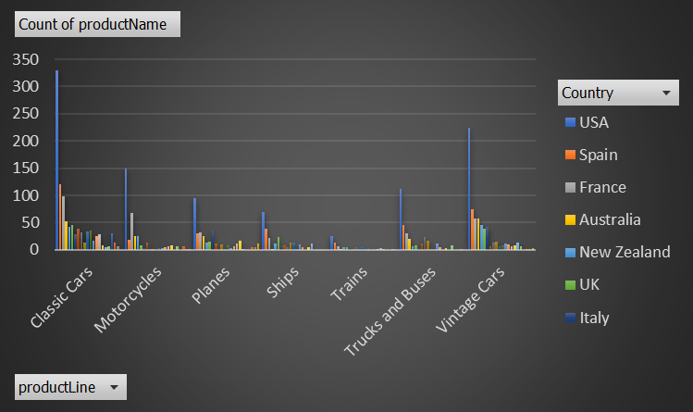
 |  | 10. How can marketing strategies be tailored to target specific demographic segments in different regions?
 |  | Determine the demographic segments we want to target, such as age groups, gender, income levels, education levels, family status, and occupation.
 |  | onduct thorough research on the cultural norms, values, traditions, and language of each region you're targeting. Avoid cultural stereotypes and ensure your messages resonate positively.
 |  | as we know Street Car racing is the Culture of USA so we need to run Classic Car Campaign In USA As well as Spain And France
 |  | because as we can see in Chart Classic Cars and motorcycles are trending in this countries we need tp take the benefit of this

Count of productName | Column Labels
Row Labels | USA | Spain | France | Australia | New Zealand | UK | Italy | Finland | Singapore | Canada | Denmark | Germany | Sweden | Austria | Norway | Japan | Belgium | Norway | Switzerland | Philippines | Ireland | Hong Kong | Grand Total
Classic Cars | 329 | 120 | 98 | 53 | 42 | 46 | 29 | 38 | 32 | 14 | 34 | 36 | 17 | 25 | 28 | 8 | 4 | 7 | 31 | 13 | 6 |  | 1010
Motorcycles | 149 | 19 | 68 | 26 | 26 | 9 | 3 | 13 | 1 | 1 |  | 3 | 3 | 5 | 7 | 9 |  | 7 |  | 7 | 2 | 1 | 359
Planes | 95 | 30 | 32 | 25 | 14 | 15 | 35 | 12 |  | 10 | 2 | 8 | 3 | 6 | 11 | 16 | 1 |  |  | 5 | 4 | 12 | 336
Ships | 70 | 39 | 21 | 2 | 11 | 23 | 6 | 9 | 4 | 14 | 14 | 2 | 10 | 4 |  | 5 | 11 |  |  |  |  |  | 245
Trains | 25 | 14 | 7 | 1 | 4 | 4 | 3 | 2 | 5 |  | 4 | 2 | 1 |  |  | 2 | 3 | 2 |  |  | 2 |  | 81
Trucks and Buses | 112 | 46 | 30 | 20 | 6 | 8 | 3 | 11 | 23 | 16 | 2 | 2 | 11 | 5 |  | 3 |  | 9 |  |  | 1 |  | 308
Vintage Cars | 224 | 74 | 58 | 58 | 46 | 39 | 42 | 7 | 14 | 15 | 7 | 9 | 12 | 10 | 7 | 9 | 14 | 7 |  | 1 | 1 | 3 | 657
Grand Total | 1004 | 342 | 314 | 185 | 149 | 144 | 121 | 92 | 79 | 70 | 63 | 62 | 57 | 55 | 53 | 52 | 33 | 32 | 31 | 26 | 16 | 16 | 2996

 | USA | Spain | France | Australia | New Zealand | UK | Italy | Finland | Singapore | Canada | Denmark | Germany
Classic Cars | 329 | 120 | 98 | 53 | 42 | 46 | 29 | 38 | 32 | 14 | 34 | 36
Motorcycles | 149 | 19 | 68 | 26 | 26 | 9 | 3 | 13 | 1 | 1 |  | 3
Planes | 95 | 30 | 32 | 25 | 14 | 15 | 35 | 12 |  | 10 | 2 | 8
Ships | 70 | 39 | 21 | 2 | 11 | 23 | 6 | 9 | 4 | 14 | 14 | 2
Trains | 25 | 14 | 7 | 1 | 4 | 4 | 3 | 2 | 5 |  | 4 | 2
Trucks and Buses | 112 | 46 | 30 | 20 | 6 | 8 | 3 | 11 | 23 | 16 | 2 | 2
Vintage Cars | 224 | 74 | 58 | 58 | 46 | 39 | 42 | 7 | 14 | 15 | 7 | 9

Problem Statment 11.
 |  |  | 11. What are the potential untapped markets based on demographic indicators, and how can market penetration be increased?
 |  |  | Craft messages that directly address the pain points, desires, and needs of the identified demographic segments.
 |  |  | Tailor your value proposition to resonate with their specific preferences.
 |  |  | Conduct thorough research on the cultural norms, values, and preferences of the target demographic in each region.
 |  |  | we need to Adapt our messaging, visuals, and communication style accordingly.
 |  |  | we need to excecute some Special seasonal Offers , Design promotions, discounts, or bundles that cater to the specific needs
 |  |  | and preferences of the untapped market segments.

Sum of quantityOrdered | Country
productLine | USA | Grand Total
Classic Cars | 11655 | 11655
Motorcycles | 5150 | 5150
Planes | 3488 | 3488
Ships | 2428 | 2428
Trains | 912 | 912
Trucks and Buses | 3932 | 3932
Vintage Cars | 8279 | 8279
Grand Total | 35844 | 35844

Problem Statment 12.
 |  |  | 12. How do customer preferences and behavior differ based on demographic factors, and how can they be leveraged for personalized marketing campaigns?
 |  |  | Analyze buying behavior for different demographic segments. Determine which products line are more popular among certain groups.
 |  |  | Maintain consistent messaging and engagement strategies to build trust and long-term relationships with each demographic segment.
 |  |  | collecting feedback from customers within each demographic group to understand their needs and opinions better.
 |  |  | as we can see in chart every country has different Top product choices as per there choices we need to gove them seasonal discount offers

Sum of quantityOrdered
Country | productName | Total
Australia | 1913 Ford Model T Speedster | 231
 | 1940 Ford Pickup Truck | 189
 | 1958 Setra Bus | 188
 | 1936 Mercedes-Benz 500K Special Roadster | 158
 | 1996 Moto Guzzi 1100i | 141
 | 1976 Ford Gran Torino | 140
 | 1962 LanciaA Delta 16V | 131
 | 18th Century Vintage Horse Carriage | 126
 | 1937 Lincoln Berline | 126
 | 1932 Alfa Romeo 8C2300 Spider Sport | 124
 | 1930 Buick Marquette Phaeton | 123
 | 1928 British Royal Navy Airplane | 119
 | 1928 Mercedes-Benz SSK | 118
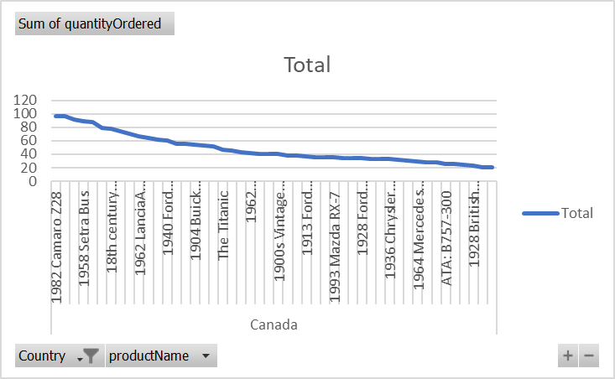
 | P-51-D Mustang | 118
 | 2003 Harley-Davidson Eagle Drag Bike | 117
 | 1926 Ford Fire Engine | 116
 | F/A 18 Hornet 1/72 | 113
 | 1939 Cadillac Limousine | 113
 | 1940s Ford truck | 112
 | 1952 Alpine Renault 1300 | 109
 | 1997 BMW R 1100 S | 105
 | 1939 Chevrolet Deluxe Coupe | 104
 | 1969 Dodge Super Bee | 102
 | 1928 Ford Phaeton Deluxe | 98
 | ATA: B757-300 | 97
 | 1936 Harley Davidson El Knucklehead | 96
 | American Airlines: B767-300 | 92
 | 1957 Ford Thunderbird | 90
 | 1932 Model A Ford J-Coupe | 89
 | 1952 Citroen-15CV | 89
 | 1992 Ferrari 360 Spider red | 89
 | 1917 Maxwell Touring Car | 88
 | 1970 Chevy Chevelle SS 454 | 85
 | 1966 Shelby Cobra 427 S/C | 84
 | 1971 Alpine Renault 1600s | 82
 | 1911 Ford Town Car | 78
 | 1934 Ford V8 Coupe | 78
 | 1900s Vintage Tri-Plane | 77
 | 1960 BSA Gold Star DBD34 | 72
 | 1957 Corvette Convertible | 71
 | 1969 Chevrolet Camaro Z28 | 66
 | Boeing X-32A JSF | 65
 | 1957 Vespa GS150 | 64
 | 1993 Mazda RX-7 | 63
 | 1949 Jaguar XK 120 | 60
 | 1917 Grand Touring Sedan | 58
 | 1969 Harley Davidson Ultimate Chopper | 57
 | HMS Bounty | 56
 | 1948 Porsche 356-A Roadster | 55
 | 2002 Chevy Corvette | 53
 | 1937 Horch 930V Limousine | 52
 | 1941 Chevrolet Special Deluxe Cabriolet | 51
 | America West Airlines B757-200 | 50
 | 1936 Chrysler Airflow | 49
 | 2002 Yamaha YZR M1 | 48
 | 1965 Aston Martin DB5 | 47
 | 1995 Honda Civic | 47
 | 1996 Peterbilt 379 Stake Bed with Outrigger | 46
 | 1982 Camaro Z28 | 46
 | 1938 Cadillac V-16 Presidential Limousine | 44
 | 1997 BMW F650 ST | 43
 | 1956 Porsche 356A Coupe | 42
 | 1982 Lamborghini Diablo | 39
 | 1982 Ducati 900 Monster | 38
 | 1936 Mercedes Benz 500k Roadster | 37
 | 1970 Plymouth Hemi Cuda | 36
 | 2002 Suzuki XREO | 35
 | 1970 Triumph Spitfire | 35
 | American Airlines: MD-11S | 35
 | 1974 Ducati 350 Mk3 Desmo | 34
 | 1950's Chicago Surface Lines Streetcar | 33
 | 1980Ã¢â‚¬â„¢s GM Manhattan Express | 32
 | 1968 Ford Mustang | 30
 | 1948 Porsche Type 356 Roadster | 28
 | 1999 Indy 500 Monte Carlo SS | 27
 | Corsair F4U ( Bird Cage) | 26
 | 1982 Ducati 996 R | 26
 | 1970 Dodge Coronet | 25
 | 1961 Chevrolet Impala | 24
 | 1992 Porsche Cayenne Turbo Silver | 23
 | 1964 Mercedes Tour Bus | 22
 | 1900s Vintage Bi-Plane | 21
Australia Total |  | 6246
Grand Total |  | 6246

